Лист1
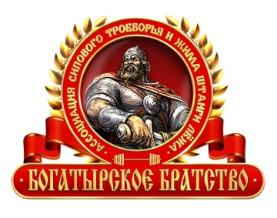

 | 27 april 2012 Moscow Russia
 | European RAW PRO bench press Championship BioTech EUROLIFTING
 | Organizers: IPA & Association "Bogatyr brotherhood"

Bench press, PRO

weight class | Name | body weight | coeff. Gloss. | 1st kg | 1st Gloss. | 2nd kg | 2nd Gloss. | 3rd kg | 3rd Gloss. | Result, kg | Result, Gloss.

90 | Andrey Nerubenko | 85.7 | 0.6295 | 192 | 120.864 | 220 | 138.49 | 230 | 144.785 | 220 | 138.49 | 1
90 | Pavel Kreynis | 88.1 | 0.593 | 210 | 124.53 | 220 | 130.46 | 222.5 | 131.9425 | 220 | 130.46 | 2
90 | Roman Eremashvili | 74.7 | 0.6906 | 180 | 124.308 | 190 | 131.214 | 202.5 | 139.8465 | 202.5 | 139.8465 | 3
90 | Alexey Blintsov | 86.5 | 0.6 | 190 | 114 | 197.5 | 118.5 | 202.5 | 121.5 | 197.5 | 118.5 | 4
90 | Ilya Pankratov | 81.5 | 0.6245 | 187.5 | 117.09375 | 192.5 | 120.21625 | 195 | 121.7775 | 192.5 | 120.21625 | 5

110 | Pavel Myasoedko | 108.4 | 0.56485 | 247.5 | 139.800375 | 257.5 | 145.448875 | 260 | 146.861 | 260 | 146.861 | 1
110 | Anton Begalko | 108 | 0.5655 | 245 | 138.5475 | 255 | 144.2025 | 255 | 144.2025 | 245 | 138.5475 | 2
110 | Grigory Slipchenko | 97.1 | 0.5887 | 220 | 129.514 | 220 | 129.514 | 225 | 132.4575 | 225 | 132.4575 | 3
110 | Vyacheslav Rahmanov | 107 | 0.5671 | 205 | 116.2555 | 212.5 | 120.50875 | 217.5 | 123.34425 | 212.5 | 120.50875 | 4

shw | Vladimir Kravtsov | 128.7 | 0.5416 | 272.5 | 147.586 | 285 | 154.356 | 301.5 | 163.2924 | 285 | 154.356 | 1
shw | Roman Oreshkov | 125.8 | 0.54459 | 250 | 136.1475 | 260 | 141.5934 | 260 | 141.5934 | 260 | 141.5934 | 2

 | Refery: |  | Ivan Smyslov
 |  |  | Alexey Kolmakov
 |  |  | Andrey Yunkov

